Calculation
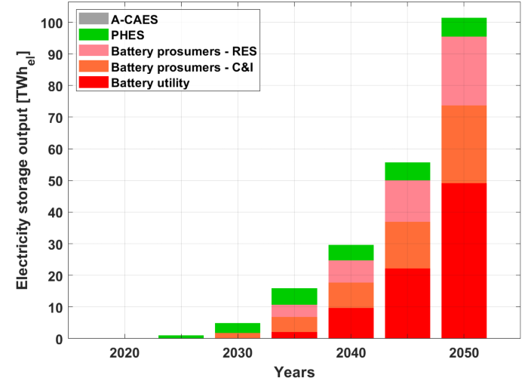
Current Policy Scenarion (CPS)
Electricity storage output (GW) | 2020 | 2025 | 2030 | 2035 | 2040 | 2045 | 2050
Battery utility | 0.0 | 0.0 | 0.0 | 0.2 | 1.1 | 2.5 | 5.6
Battery prosumers – C&I | 0.0 | 0.0 | 0.2 | 0.5 | 0.9 | 1.7 | 2.8
Battery prosumers – RES | 0.0 | 0.0 | 0.0 | 0.5 | 0.8 | 1.5 | 2.5
PHES | 0.0 | 0.1 | 0.3 | 0.6 | 0.6 | 0.7 | 0.7
A–CAES | 0.0 | 0.0 | 0.0 | 0.0 | 0.0 | 0.0 | 0.0
Total | 0.0 | 0.1 | 0.5 | 1.8 | 3.4 | 6.4 | 11.6
Note: we use the CPS data for estimating the GBSC

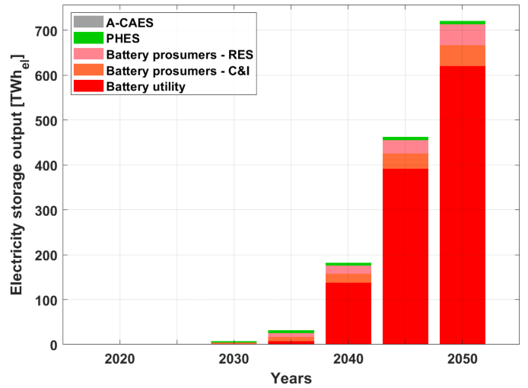
Delayed Policy Scenario (DPS)
Electricity storage output [TWh_{el}] | 2020 | 2025 | 2030 | 2035 | 2040 | 2045 | 2050
Battery utility | 0 | 0 | 0 | 7,7 | 137,9 | 391,9 | 620,7
Battery prosumers – C&I | 0 | 0 | 4 | 9,4 | 20 | 33,5 | 46,2
Battery prosumers – RES | 0 | 0 | 0,3 | 8 | 17,5 | 29,6 | 46,7
PHES | 0 | 1 | 3 | 7 | 7,2 | 7,1 | 7,2
A–CAES | 0 | 0 | 0 | 0 | 0 | 0 | 0
Total | 0 | 1 | 7,3 | 32,1 | 182,6 | 462,1 | 720,8

Best Policy Scenario (BPS)
Electricity storage output [TWh_{el}] | 2020 | 2025 | 2030 | 2035 | 2040 | 2045 | 2050
Battery utility | 0 | 0 | 0,1 | 198,3 | 383,9 | 605 | 734,5
Battery prosumers – C&I | 0 | 0 | 7,1 | 14,1 | 30 | 44,6 | 66,4
Battery prosumers – RES | 0 | 0 | 1,1 | 12 | 26,3 | 39,5 | 69
PHES | 0 | 0,8 | 4 | 7 | 7,4 | 7,1 | 6,9
A–CAES | 0 | 0 | 0 | 0 | 0 | 0 | 0
Total | 0 | 0,8 | 12,3 | 231,4 | 447,6 | 696,2 | 876,8

